Copy of 2017 Algebra
 | 2017 Algebra
 | Question description | Question | Solution | Score and Description | Sample Responses | Incorrect answer - Student Response | Grade | Year | Block | Type | Difficulty | Percentage | Item Performance
x | Determine the x- & y- intercepts of a given line | 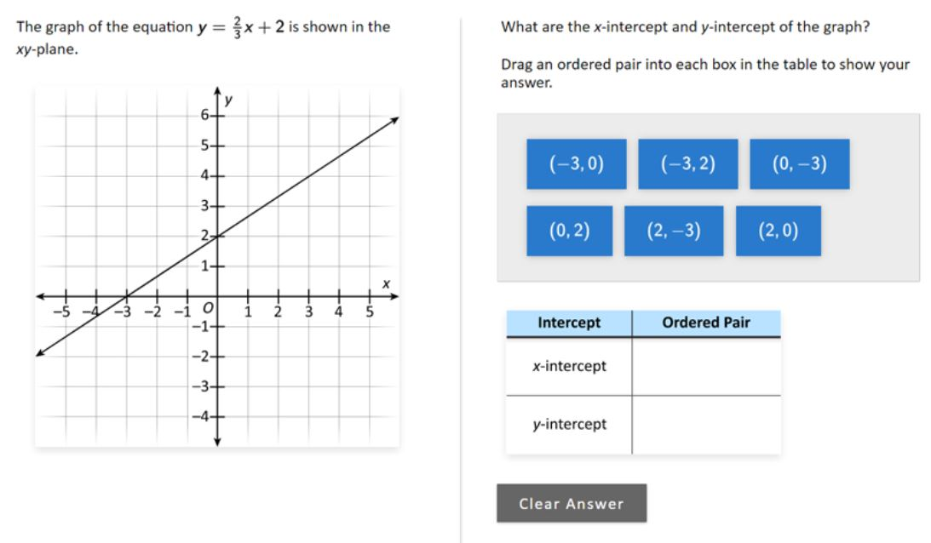 | 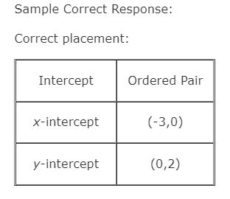 | Correct: Two ordered pairs correctly placed Partial 1: Ordered pair placed correctly for the x-intercept only Partial 2: Ordered pair placed correctly for the y-intercept only | No student responses are available for this question. | Incorrect: No ordered pairs correctly placed | 8 | 2017 | 8M3 | SR (Selected Response) | Easy | Correct: 49% Incorrect: 26% Partial 1: 10% Partial 2: 14% Omitted: 1% Off task: rounds to zero

x | Extend a numerical pattern given both a verbal and numerical description | 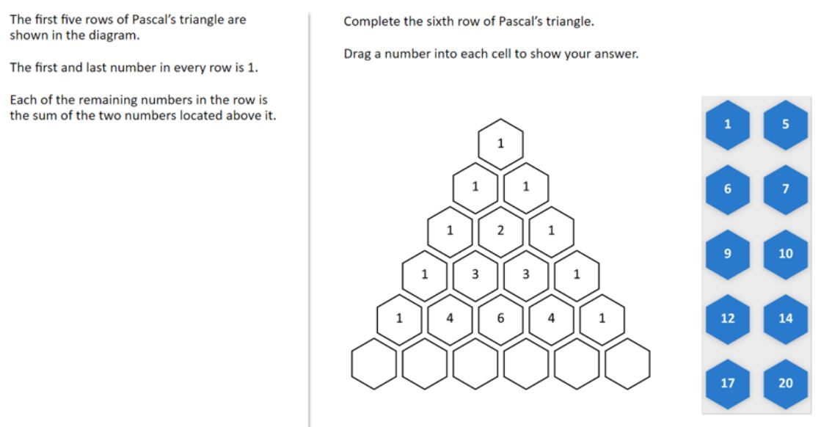 | 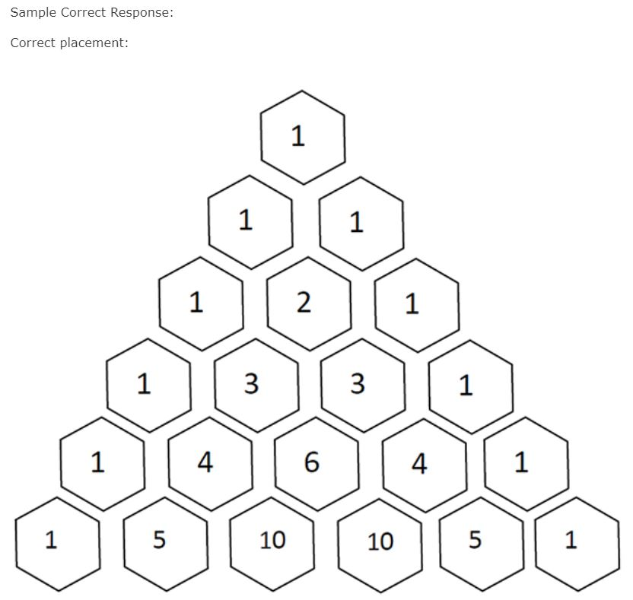 | Correct: Six numbers correctly placed | No student responses are available for this question. | Incorrect: Incorrect response | 8 | 2017 | 8M3 | SR (Selected Response) | Medium | Correct: 44% Incorrect: 55% Omitted: 1% Off task: rounds to zero

x | Make and explain a conclusion about two linear equations in context | 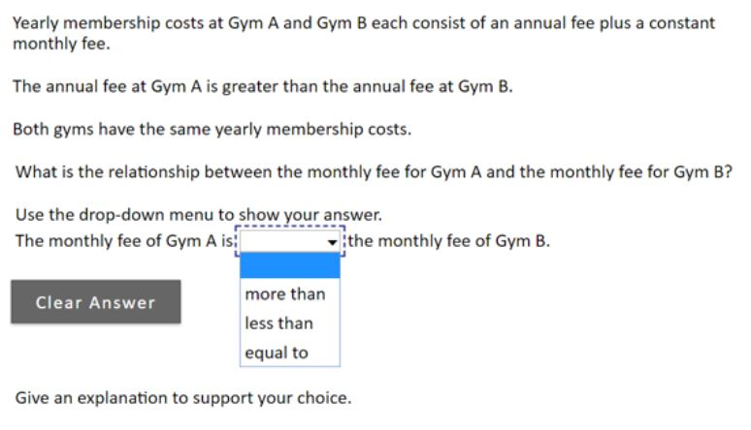 | Sample Correct Response: (a) Correct selection: The monthly fee of Gym A is less than the monthly fee of Gym B. (b) Explanation: Gym A has a higher initial fee than Gym B. The two gyms have the same total cost after 12 months, so in order for the total cost of Gym B to reach to the total cost of Gym A, the monthly fee for Gym A must be less than the monthly fee for Gym B. | Correct: Correct selection with an acceptable explanation Partial: Incorrect or no selection with an acceptable explanation that supports the correct selection NOTE: An acceptable explanation must include: A comparison between the initial fees of the two gyms, and A reference to equivalent total costs after 12 months. | Correct - Student Response 1: "The monthly fee of Gym A is less than the monthly fee of Gym B." "My reason to my answer is because in the information it gives it states that GYM A and GYM B yearly membership is the same. It also states that Gym A has a higher annual fee wich means that Gym B needs the hace a higher monthly fee to equal the same price as Gym A." Correct - Student Response 2: "The monthly fee of Gym A is less than the monthly fee of Gym B." "Because Gym B would have to have a greater monthly one because Gym A has a bigger anual fee but they cost the same year around". These correct responses each include a correct selection and an acceptable explanation. The explanations in both responses are acceptable because they compare the initial fees of the two gyms and give reference to the fact that the total cost is the same after 12 months. Partial - Student Response 1: "The monthly fee of Gym A is equal to the monthly fee of Gym B." "The reason why both gyms have the same cost every year but have two different annual costs is because gym B cost more monthly but gym A costs more annualy which causes both to add up to the same sum of money". Partial - Student Response 2: "The monthly fee of Gym A is equal to the monthly fee of Gym B." "The script say the yearly cost is the same, one annual fee is more A and one monthly fee is more B." These partially correct responses each include an incorrect selection and an acceptable explanation. The explanations in both responses are acceptable because they compare the initial fees of the two gyms and give reference to the fact that the total cost is the same after 12 months. | Incorrect 1: Correct selection with an unacceptable explanation or no explanation Incorrect 2: Other incorrect responses Incorrect 1 - Student Response 1: "The monthly fee of Gym A is less than the monthly fee of Gym B." "If both gym´s have the same yearly fee then the monthly fee for gym B has to be greater." Incorrect 1 - Student Response 2: "The monthly fee of Gym A is less than the monthly fee of Gym B." "Because if Gym A has a higher anual fee than im thinking that Gym B will have a higher cost monthly." These incorrect responses each include a correct selection and an unacceptable explanation. The explanation in the top response is incorrect because it does not include a comparison between the initial fees of the two gyms, while the bottom does not include a reference to equivalent total costs after 12 months. Incorrect 2 - Student Response 1: "The monthly fee of Gym A is equal to the monthly fee of Gym B." "They both have the same yearly fee so they both are going to be equal to one another no matter how much they pay each month because at the end of the year they would still pay the same amount." Incorrect 2 - Student Response 2: "The monthly fee of Gym A is more than the monthly fee of Gym B." "More than" These incorrect responses include an incorrect selection and an unacceptable explanation. The explanation in the top response is incorrect because it does not compare the initial costs of the two gyms, while the explanation in the bottom response does not include a comparison between the initial fees of the two gyms or a reference to equivalent total costs after 12 months. | 8 | 2017 | 8M3 | SCR (Short Constructed Response) | Hard | Correct: 15% Incorrect 1: 12% Incorrect 2: 72% Partial: rounds to zero Omitted: 1% Off task: rounds to zero

x | Complete a table from a description of a linear relationship (calculator available) | 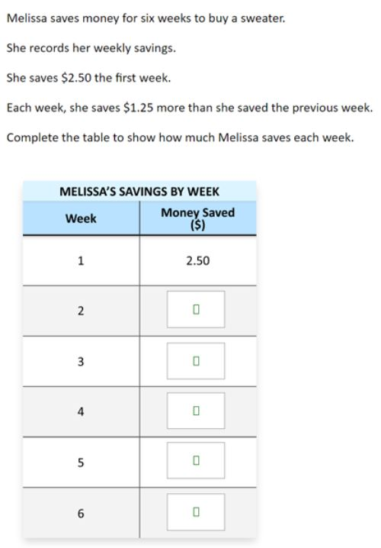 | 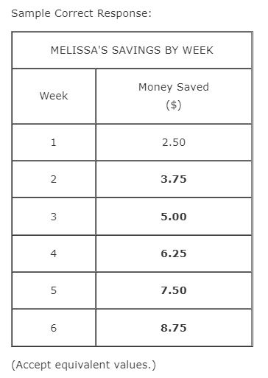 | Correct: Correct response Partial 1: 4 of the 5 terms correct Partial 2: Rule applied correctly to all but one term Partial 3: Response shows a correct cumulative total for each week | Correct - Student Response 1 and 2: | Incorrect - Student Response 1 and 2: | 8 | 2017 | 8M9 | SCR (Short Constructed Response) | Easy | Correct: 66% Incorrect: 23% Partial 1: 4% Partial 2: 5% Partial 3: rounds to zero Omitted: 1% Off task: rounds to zero
 |  |  |  | 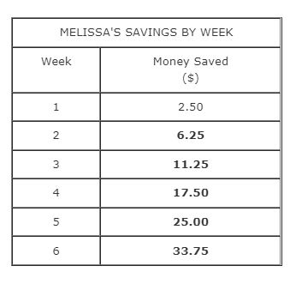 | 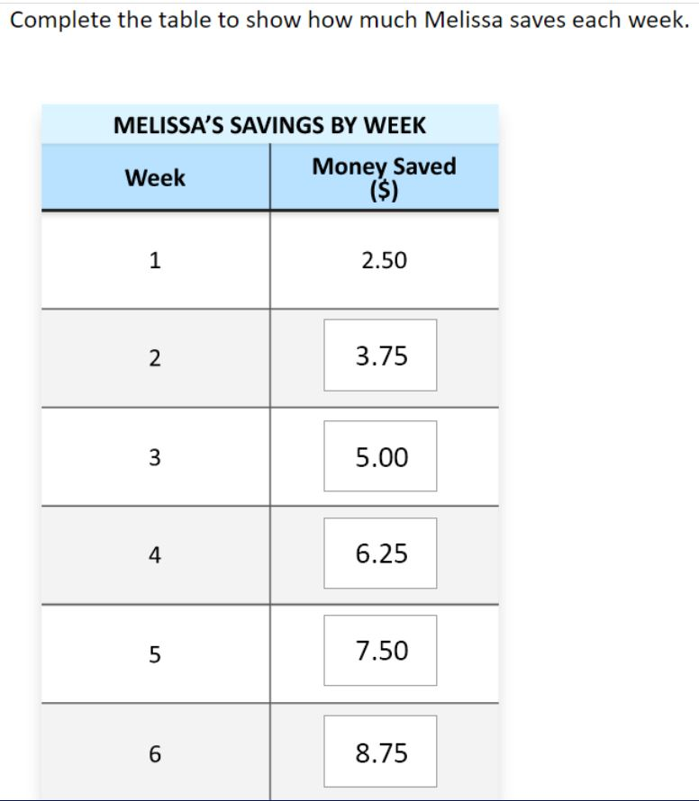 | 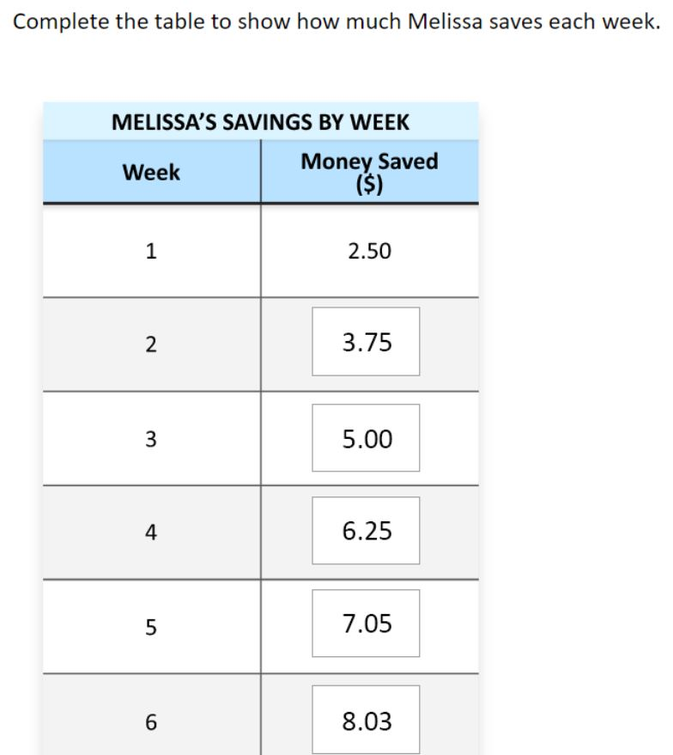
 |  |  |  |  | 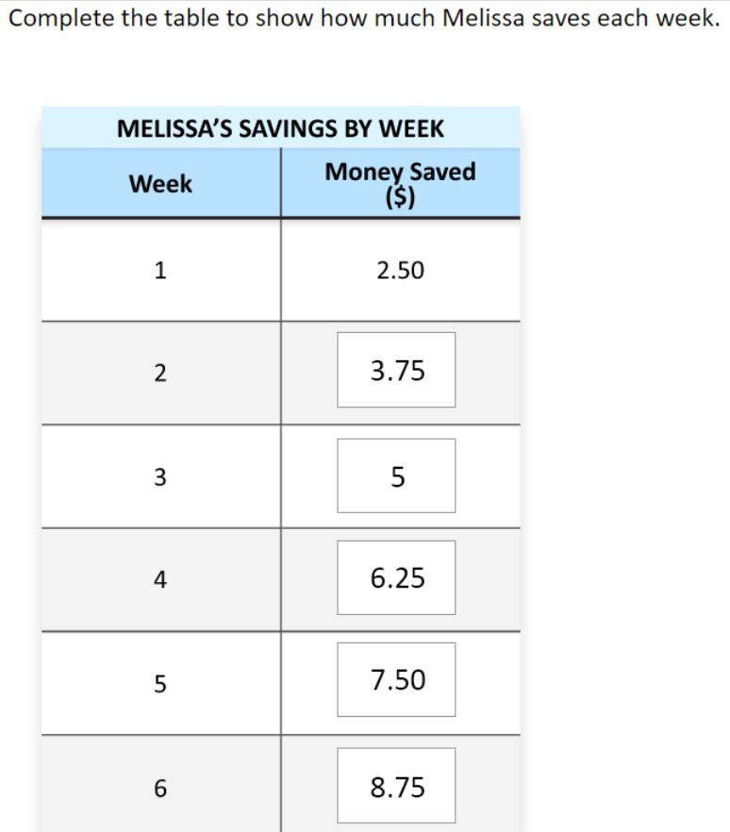 | 
 |  |  |  |  | These correct responses each include the correct answers in the table. | These incorrect responses include incorrect answers in the table. The top response includes incorrect entries for the last two terms, while the bottom response includes incorrect entries for the last four terms.
 |  |  |  |  | Partial 1 - Student Response 1 and 2
 |  |  |  |  | 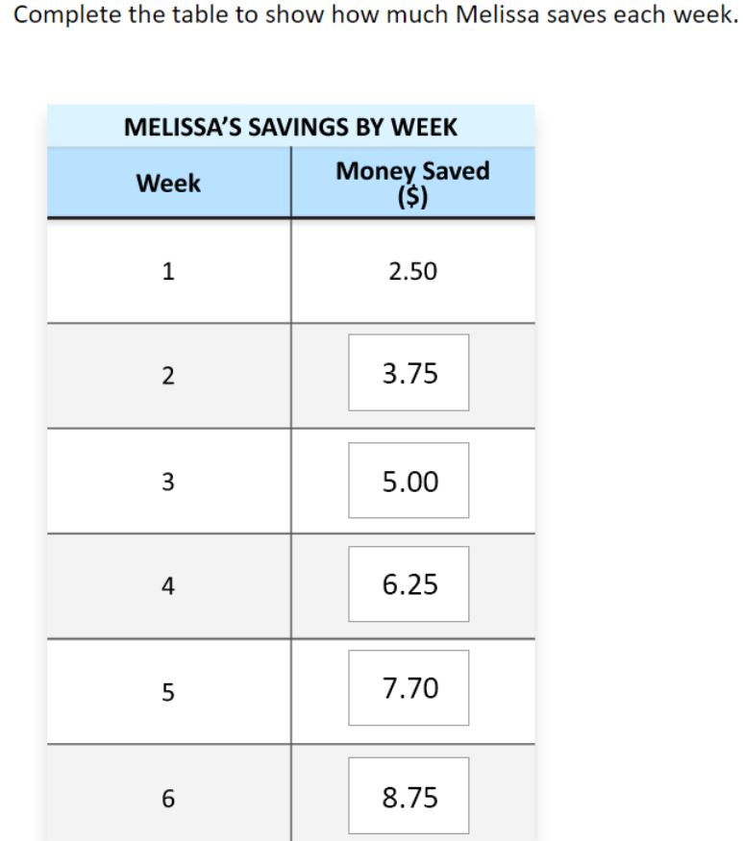
 |  |  |  |  | 
 |  |  |  |  | These partially correct responses (partial 1) include 4 of the 5 correct answers in the table. The fourth table entry in the top response is incorrect, while the fifth entry in the bottom response is incorrect.
 |  |  |  |  | Partial 2 - Student Response 1 and 2
 |  |  |  |  | 
 |  |  |  |  | 
 |  |  |  |  | These partially correct responses (partial 2) include answers in which the rule is applied correctly to all but one term in the table. The top response includes an incorrect value for the second entry, but the other entries in the table follow the correct pattern, given that incorrect entry. The bottom response includes an incorrect value for the first entry, but the other entries in the table follow the correct pattern, given that incorrect entry.
 |  |  |  |  | Partial 3 - Student Response 1 and 2
 |  |  |  |  | 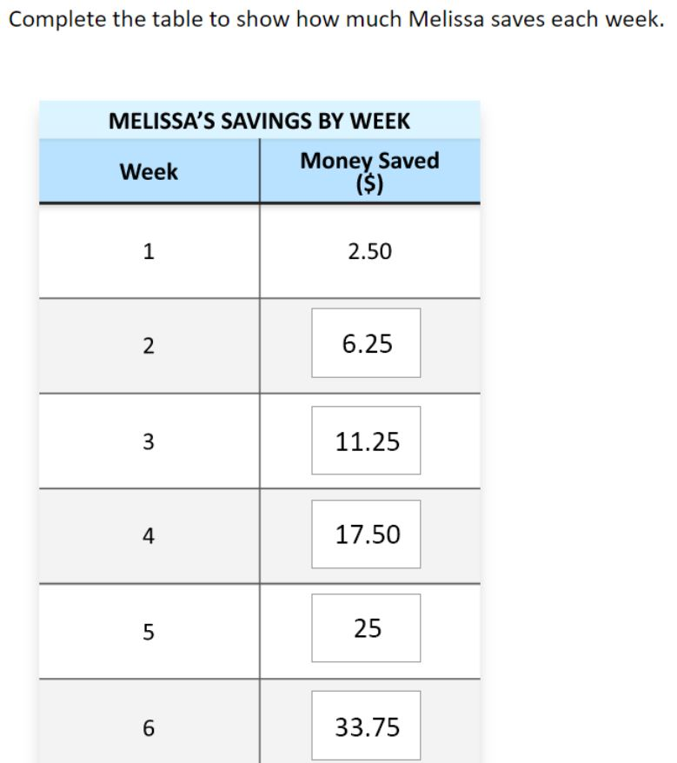
 |  |  |  |  | 
 |  |  |  |  | These partially correct responses (partial 3) include cumulative totals for each week in the table.

x | Interpret the meaning of a linear equation in a context (calculator available) | Jessica makes clay bowls. The following equation relates the number of clay bowls, n, she makes and the total amount of money, d, in dollars, it costs her to make them. d = 375 + 50n Based on the equation, which of the following statements is true? A. Without making any clay bowls, Jessica´s total cost is $50. B. Without making any clay bowls, Jessica´s total cost is $375. C. Each clay bowl Jessica makes decreases her total cost by $50. D. Each clay bowl Jessica makes decreases her total cost by $375. E. Each clay bowl Jessica makes costs $425 | The correct answer is: B. Without making any clay bowls, Jessica's total cost is $375. |  |  |  | 8 | 2017 | 8M9 | MC (Multiple Choice) | Medium | A: 12% B: 36% (correct) C: 17% D: 16% E: 16% Omitted: 1%

x | Convert from degrees Fahrenheit to degrees Celsius (calculator available). | 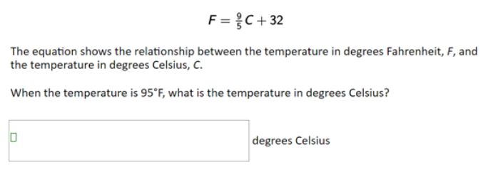 | 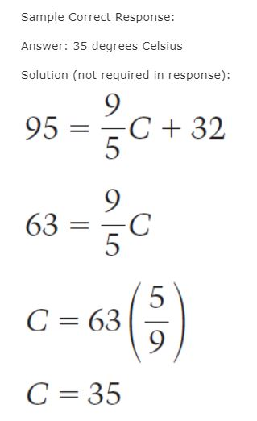 | Correct: Answer of 35 | Correct - Student Response 1: When the temperature is 95°F, what is the temperature in degrees Celsius? "35 degrees Celsius" Correct - Student Response 2: When the temperature is 95°F, what is the temperature in degrees Celsius? "35° degrees Celsius" These correct responses each indicate a temperature of 35 degrees Celsius. | Incorrect 1: Answer of 35°F Incorrect 2: Answer of 203 or 203°F Incorrect 3: Other incorrect responses Incorrect 1 - Student Response 1: "35°F degrees Celsius" Incorrect 1 - Student Response 2: "35F degrees Celsius" These incorrect responses each indicate a temperature of 35 degrees Fahrenheit. Incorrect 2 - Student Response 1: "203 degrees Celsius" Incorrect 2 - Student Response 2: "203° degrees Celsius" These incorrect responses each indicate a temperature of 203 degrees. Incorrect 3 - Student Response 1: "33.8 degrees Celsius" Incorrect 3 - Student Response 2: "63 degrees Celsius" These incorrect responses each indicate a temperature other than 35 degrees Celsius, 35 degrees Fahrenheit, or 203 degrees. | 8 | 2017 | 8M9 | SCR (Short Constructed Response) | Hard | Correct: 22% Incorrect A: rounds to zero Incorrect B: 3% Incorrect C: 68% Omitted: 7% Off task: rounds to zero

 |  |  | 95= 9/5C + 32

 |  |  | 95 = 9/5C + 32

